Project Assessment
Minnesota SQT Debit Tool
Project Name |  |  |  | Total Debits (FF)
 |  |  |  | 0
Applicant
Project ID/Permit Number(s) (optional) |  | Date | 1/1/20
Project Description

Stream ID By Reach | Impact Description | Latitude |  | Longitude

NOTICE: If you find errors or problems, please contact April Marcangeli at April.N.Marcangeli@usace.army.mil
 |  | Users Input Values

The Minnesota Stream Quantification Tool Credits:
Lead Agency: U.S. Army Corps of Engineers, St. Paul District
Contributing Agencies: | U.S. Environmental Protection Agency
 | Minnesota Board of Water and Soil Resources
 | Minnesota Department of Natural Resources
 | Minnesota Pollution Control Agency

Contractors:
Ecosystem Planning and Restoration (EPR) through a contract with the U.S. Environmental
Projection Agency (Contract No. EP-C-17-001).
Stream Mechanics as a sub-contractor to EPR

Version 1.2
Version Last Updated | 2020-01-30

Debit Calculator
Name: | 0
 | 0
Date: | 2020-01-01
Project ID/ Permit Applicant Number(s): | 0 |  |  |  | Users Input Values |  |  |  | Impact Severity Tiers | Impact Factors | Percent Functional Loss
 |  |  |  |  | Users select values from a pull-down menu |  |  |  | Tier 0 | 1.00 | 0%
 |  |  |  |  |  |  |  |  | Tier 1 | 0.84 | 16%
Stream ID by Reach | Impact Description | Debit Option | Existing Stream Length | Existing Condition Score | Proposed Length | Impact Severity Tier | Proposed Condition Score | Change in Functional Feet | Tier 2 | 0.72 | 28%
0 | 0 |  |  |  |  |  |  |  | Tier 3 | 0.53 | 47%
0 | 0 |  |  |  |  |  |  |  | Tier 4 | 0.23 | 77%
0 | 0 |  |  |  |  |  |  |  | Tier 5 | 0 | 100%
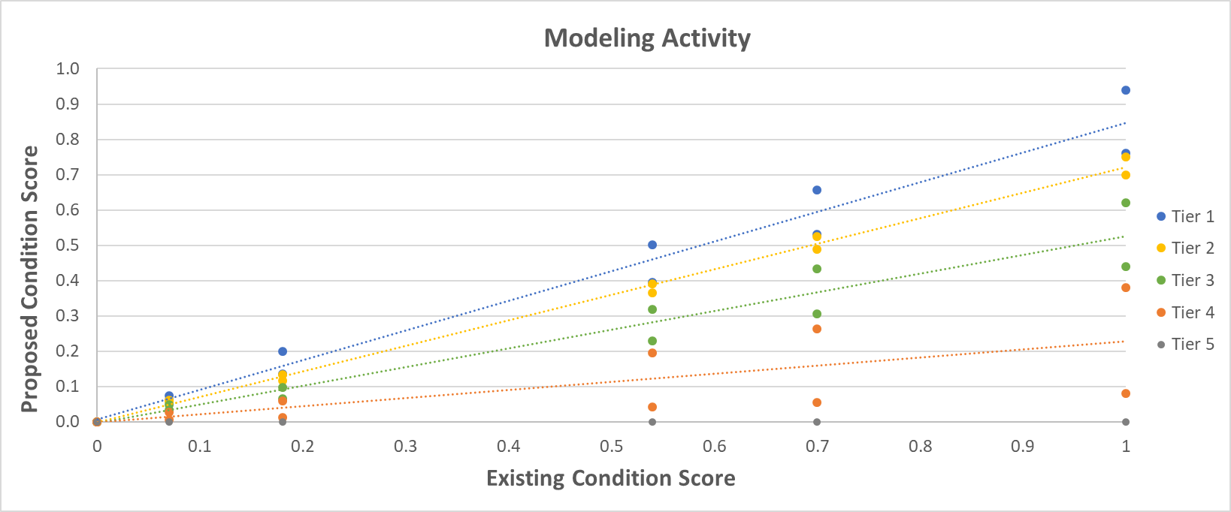
0 | 0
0 | 0
0 | 0
0 | 0
0 | 0
0 | 0
0 | 0
Total Functional Loss (Debits in FF): |  |  |  |  |  |  |  | 0.0

ECS and PCS Summary Table |  |  |  |  | Debit Option | ECS |  | PCS1
Existing Reach ID | ECS | Proposed Reach ID | PCS |  | 1 | Use Existing Conditions worksheet |  | Use Proposed Conditions worksheet
0 | 0.80 | 0 | 0.80
0 | 0.80 | 0 | 0.80
0 | 0.80 | 0 | 0.80 |  | 2 | Use Existing Conditions worksheet - use data collected or modeled for selected parameters and use standard score2 or all other parameters |  | Use Debit Tool
0 | 0.80 | 0 | 0.80
0 | 0.80 | 0 | 0.80 |  |  |  |  |  |  | User Notes
0 | 0.80 | 0 | 0.80 |  |  |  |  |  |  | 1. Each impact should be entered separately. 2. There may be multiple impacts on a single stream reach. 3. There may be multiple reaches on a single impacted stream. 4. Determine proposed stream length. This should be equal to or less than the original stream length and equivalent to the impact length, e.g. culvert or riprap length. 5. Determine Impact Severity Tier based on impact descriptions found in the St. Paul Stream Mitigation Guidance (USACE, Date pending). 6. Select Debit Option 1, 2, or 3. 7. Fill out the Reach Information and Reference Selection section of an Existing Condition Assessment on the Existing Conditions worksheet. Fill out the field values for the Existing Condition Assessment (Debit Options 1 and 2). When determining the existing or proposed conditions, an overall ECS and PCS for each reach will be automatically populated in the Summary table (left). Any reach that results in an ECS less than 0.30 will be set to 0.30 in the Summary Table. Note: When determining existing and proposed condition scores, fill in the worksheets on the Existing Conditions (Debit Options 1, 2, and 3) and Proposed Condition (Debit Option 1) worksheets. Directions to determine existing and proposed condition scores are provided in the MN Quantification Tool and Debit Calculator User Manual. 8. Use the ECS from the summary table to enter an Existing Condition Score in the above Debit Tool Table in the row with the corresponding Stream ID and impact. 9. For Debit Option 1, the Proposed Condition Score will be automatically populated in the Debit Tool Table. 10. Physicochemical and Biology parameters are optional but default values are used to determine the existing and proposed scores. The table will total the change in functional feet and report the number of debits as Total Functional Loss. Please note applicants must submit documentation in support of an ECS if a value other than the Standard ECS is used.
0 | 0.80 | 0 | 0.80
0 | 0.80 | 0 | 0.80
0 | 0.80 | 0 | 0.80
0 | 0.80 | 0 | 0.80 |  | 3 | Use Existing Conditions worksheet - use standard score2 for all parameters |  | Use Debit Tool

NOTE: When establishing and/or estimating existing and proposed condition scores, the ECS and PCS will populate from the worksheets in the Existing Conditions and Proposed Conditions worksheets to the summary box (above) by Reach ID. There are 10 condition assessments in each of the Existing Conditions and Proposed Conditions worksheets.

 |  |  |  |  | 1 For complete stream removals/fill or complete piping PCS score is 0.
 |  |  |  |  | 2 The standard score is 0.9 for state listed outstanding resource waters (prohibited or restricted). The standard score is 0.8 for all other waters.

Tier | Description (Impacts to function-based parameters) | Example Activities

0 | No permanent impact on any of the key function-based parameters | Bio-engineering of streambanks, stream restoration
1 | Impacts to riparian vegetation and/or lateral migration | Bank stabilization, two-stage ditch, utility crossings.
2 | Impacts to riparian vegetation, lateral migration, and bed form diversity | Utility crossing, two-stage ditch, bridges, bottomless arch culverts
3 | Impacts to riparian vegetation, lateral migration, bed form diversity, and floodplain connectivity | Bottomless arch culverts, minor channelization
4 | Impacts to riparian vegetation, lateral migration, bed form diversity, and floodplain connectivity. Potential impacts to temperature, processing of organic matter, and macroinvertebrate and fish communities | Channelization, box culverts, short length pipe culverts, weirs/impoundments/flood, and minor relocations
5 | Removal of all aquatic functions | Piping, relocation, removal or complete fill of channel

